README
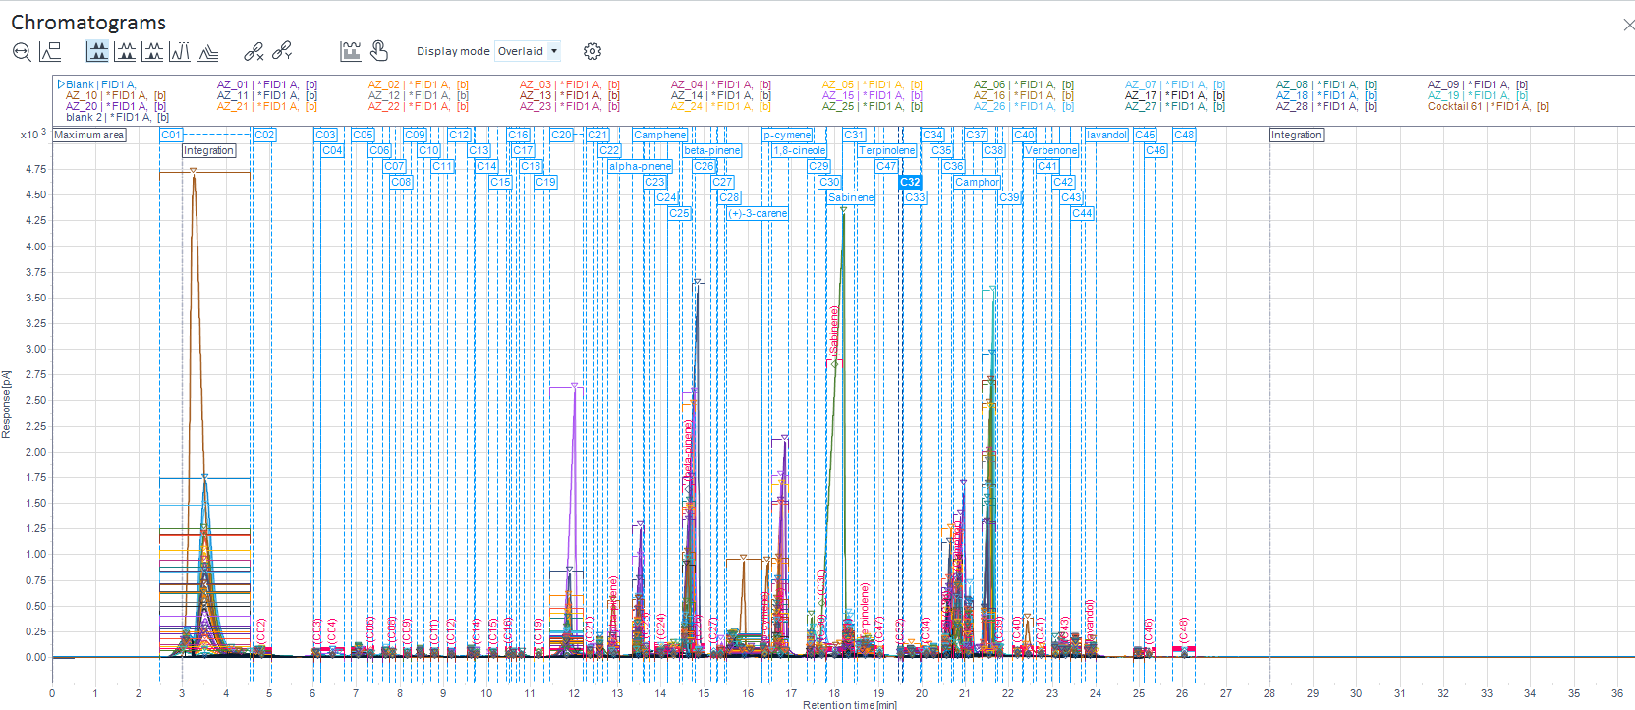
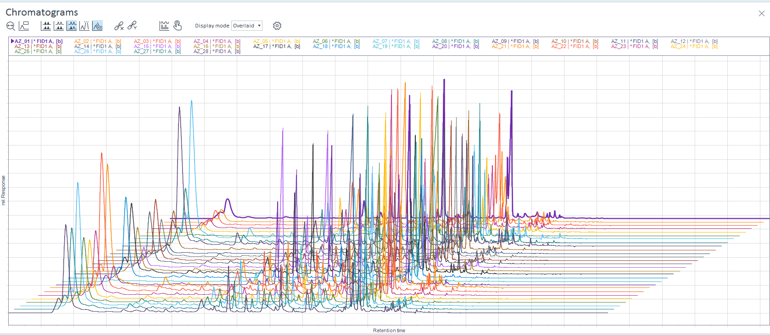
RawdataAfterAlignment_w_RT_PA | after aligning (using openlabs) this is raw data with Retention time and Peak Area. At bottom is a calcualtion for compounds with % in samples. This will be used on next sheet
Data_wO_RT | using RawdataAfterAlignment_w_RT_PA took off RT columns for each compound and deleted compounds with less than 10% of that compound found across samples. This left n=50 compounds. Compunds eliminated were : C16, C18, C19, Cc27, C47, C40, C41, C46, C48. Compound C06 and C08 missed the 10% cut off but maybe considered since they were 10.71% in samples.
Compound%pertreatment
data_add0.5 to all | added 0.5 to each compound in each sample to be able to run analysis on them without having any blanks
0.5 add+attributesfrom metatdat | using data_add0.5 to all also added sample attributes from metadata sheet found in research drive<project folder< soda fire
AUC_gdw | calculated AUC/gdw
AUC_gdw_logtransformed | from AUC_gdw did a log transformation
Logtrans_averaged | from AUC_gdw_log transformed made an average of each compound
logtrans_centered | from logtrans_average_subtracted each compound average from its AUC/gdw_logtransformed in order to center the data
centered__RE | from logtrans_centered made sheet that just had remnant early species
centered_RW | from logtrans_centered made sheet that just had remnant Wyoming
centered_NB | from logtrans_centered made sheet that had just New Big

centered__RE
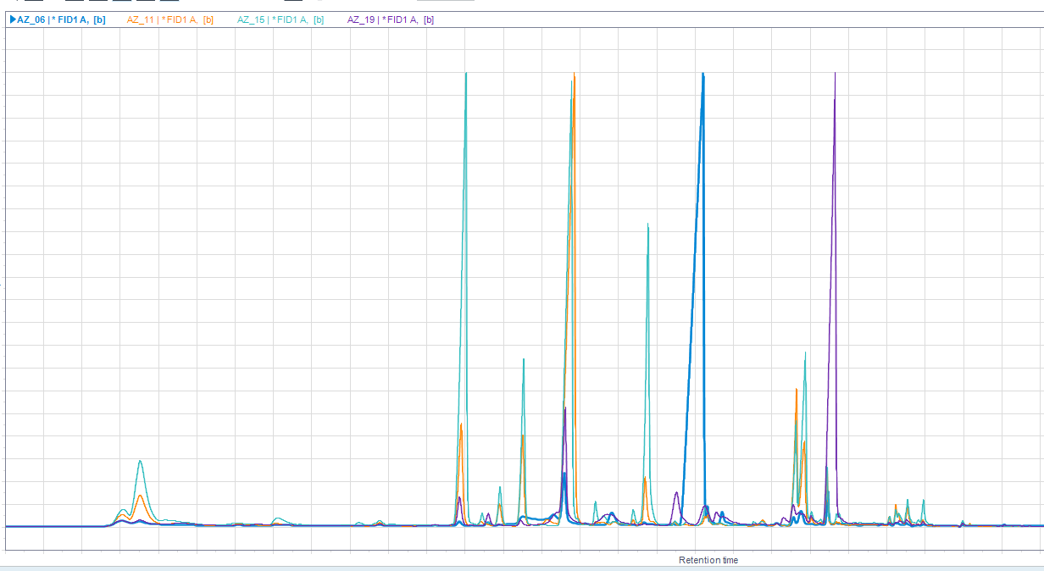
Vial_ID | Site ID | Patch No. | Plant No. | plant identifier | Micro ID | Date of collection: DD/MM/YYYY | dry weight | dw/ww_dc | C01 | C02 | C03 | C04 | C05 | C06 | C07 | c08 | C09 | C10 | C11 | Column1 | C12 | C13 | C14 | C15 | C17 | C20 | C21 | C22 | alpha-pinene | Camphene | C23 | C24 | C25 | beta-pinene | C26 | C28 | (+)-3-carene | p-cymene | 1,8-cineole | C29 | C30 | Sabinene | C31 | Terpinolene | C32 | C33 | C34 | C35 | C36 | Camphor | C37 | C38 | C39 | Verbenone | C42 | C43 | C44 | lavandol | C45
AZ15 | Soda Fire | Rock 103 | RE | A | B1 | 26/09/2020 | 0.0863 | 0.80729653882 | 4.9712014857 | 3.560685045 | 3.5544309012 | 3.1326573476 | 4.0617193055 | 0.76295920862 | 3.0846736011 | 0.76295920862 | 0.76295920862 | 0.76295920862 | 0.76295920862 | 3.370439967 | 3.370439967 | 0.76295920862 | 3.6712382909 | 3.2686490051 | 0.76295920862 | 5.4392463296 | 3.6473024899 | 0.76295920862 | 4.1919668994 | 4.8296684114 | 0.76295920862 | 0.76295920862 | 0.76295920862 | 5.4701639127 | 3.2657221624 | 3.9153606995 | 3.7459066905 | 3.769201842 | 5.1090891097 | 3.2688847953 | 3.3198668871 | 0.76295920862 | 3.7092738925 | 3.4398557464 | 3.2387727176 | 3.3455747521 | 3.1718060834 | 0.76295920862 | 4.538406101 | 4.9275895672 | 3.5215214062 | 4.1540411742 | 3.4240673686 | 0.76295920862 | 3.2987063792 | 3.5849938397 | 3.880427384 | 3.8675910606 | 3.3362486472
AZ19 | Soda Fire | Rock 103 | RE | A | B4 | 26/09/2020 | 0.0775 | 0.7568359375 | 4.042941155 | 0.80966830183 | 0.80966830183 | 3.4962402264 | 0.80966830183 | 3.2941902153 | 0.80966830183 | 0.80966830183 | 0.80966830183 | 0.80966830183 | 0.80966830183 | 0.80966830183 | 0.80966830183 | 0.80966830183 | 3.3782501606 | 0.80966830183 | 0.80966830183 | 4.3296151527 | 0.80966830183 | 3.939861143 | 0.80966830183 | 3.5251418172 | 0.80966830183 | 0.80966830183 | 4.1666080849 | 4.9314706661 | 0.80966830183 | 0.80966830183 | 4.1557610129 | 0.80966830183 | 0.80966830183 | 4.6273239582 | 0.80966830183 | 0.80966830183 | 4.3504598603 | 3.7837708374 | 0.80966830183 | 0.80966830183 | 0.80966830183 | 3.6767113055 | 4.0722854834 | 3.755507996 | 3.7038491804 | 5.612434326 | 3.5078784951 | 0.80966830183 | 0.80966830183 | 0.80966830183 | 3.4535491395 | 3.419832149 | 3.3736972493
AZ06 | Soda Fire | Rock 103 | RE | B | D1 | 26/09/2020 | 0.0685 | 0.72410147992 | 4.0690817583 | 0.86327943284 | 3.2262366576 | 0.86327943284 | 0.86327943284 | 3.2467680578 | 0.86327943284 | 0.86327943284 | 0.86327943284 | 0.86327943284 | 0.86327943284 | 0.86327943284 | 0.86327943284 | 0.86327943284 | 3.363806804 | 0.86327943284 | 0.86327943284 | 3.6752095035 | 0.86327943284 | 3.5530658421 | 0.86327943284 | 4.1003881561 | 0.86327943284 | 0.86327943284 | 4.0111220245 | 4.6469510884 | 0.86327943284 | 0.86327943284 | 4.3037467576 | 0.86327943284 | 3.2911743264 | 0.86327943284 | 0.86327943284 | 0.86327943284 | 3.8765347282 | 4.0287326925 | 0.86327943284 | 0.86327943284 | 3.4383332726 | 0.86327943284 | 3.8144449486 | 4.2545113829 | 3.2205661644 | 4.2000540661 | 0.86327943284 | 0.86327943284 | 0.86327943284 | 0.86327943284 | 3.3556961604 | 0.86327943284 | 3.2706873348
AZ11 | Soda Fire | Rock 103 | RE | C | F1 | 26/09/2020 | 0.0832 | 0.79012345679 | 4.770313676 | 3.5010987801 | 3.6314254746 | 0.77884667805 | 3.7297214802 | 0.77884667805 | 0.77884667805 | 0.77884667805 | 0.77884667805 | 0.77884667805 | 0.77884667805 | 0.77884667805 | 0.77884667805 | 0.77884667805 | 3.6102864223 | 0.77884667805 | 0.77884667805 | 4.87218647 | 3.5086203494 | 0.77884667805 | 4.1624455607 | 4.7558718336 | 0.77884667805 | 4.0312579112 | 0.77884667805 | 0.77884667805 | 5.7236440602 | 3.1336578748 | 3.4706352024 | 3.3984074588 | 4.4347542472 | 3.367196831 | 0.77884667805 | 0.77884667805 | 3.7463946543 | 3.2141143615 | 0.77884667805 | 3.7471156956 | 3.382512757 | 0.77884667805 | 4.8501330728 | 4.7683449952 | 3.4633814619 | 4.2903541114 | 0.77884667805 | 0.77884667805 | 3.4932150028 | 3.7407506858 | 3.9190321801 | 3.4557432158 | 3.3033648269

centered_RW
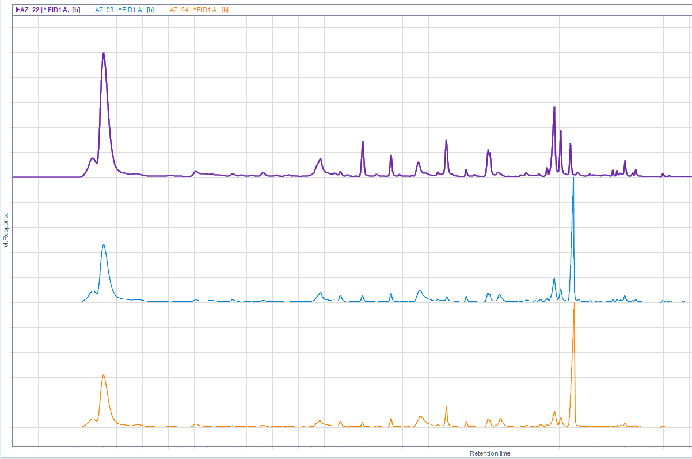
Vial_ID | Site ID | Patch No. | Plant No. | plant identifier | Micro ID | Date of collection: DD/MM/YYYY | dry weight | dw/ww_dc | C01 | C02 | C03 | C04 | C05 | C06 | C07 | c08 | C09 | C10 | C11 | C12 | C13 | C14 | C15 | C17 | C20 | C21 | C22 | alpha-pinene | Camphene | C23 | C24 | C25 | beta-pinene | C26 | C28 | (+)-3-carene | p-cymene | 1,8-cineole | C29 | C30 | C31 | Terpinolene | C32 | C33 | C34 | C35 | C36 | Camphor | C37 | C38 | C39 | C42 | C43 | C44 | lavandol | C45
AZ24 | Soda Fire | RGF 105 | RW | A | D4 | 26/09/2020 | 0.0602 | 0.53558718861 | 5.5934420827 | 4.306578547 | 3.263262421 | 0.91937351308 | 4.1627464598 | 0.91937351308 | 3.681017239 | 0.91937351308 | 0.91937351308 | 3.6655061938 | 3.2579375709 | 0.91937351308 | 3.7584038367 | 0.91937351308 | 3.28543394 | 0.91937351308 | 4.620825786 | 0.91937351308 | 4.056045259 | 0.91937351308 | 3.9167039686 | 0.91937351308 | 3.4754515704 | 0.91937351308 | 4.199258462 | 0.91937351308 | 0.91937351308 | 3.8138369007 | 3.7798241221 | 4.626371065 | 3.9678223088 | 0.91937351308 | 4.0002380032 | 4.5487068491 | 0.91937351308 | 3.6754692694 | 0.91937351308 | 3.6935370602 | 3.5790045247 | 4.661241304 | 4.3298791221 | 5.4347106716 | 0.91937351308 | 0.91937351308 | 3.4390519053 | 3.9053780628 | 3.5005765306 | 3.51666712
AZ22 | Soda Fire | RGF 105 | RW | B | F4 | 26/09/2020 | 0.0617 | 0.61028684471 | 5.6276807291 | 4.0847141356 | 3.4967682186 | 0.9086848403 | 3.9564556497 | 0.9086848403 | 0.9086848403 | 0.9086848403 | 0.9086848403 | 3.5583876223 | 3.2868391773 | 0.9086848403 | 3.8027216239 | 0.9086848403 | 3.2606936059 | 3.3300221865 | 4.70663826 | 3.6259291596 | 3.6642426215 | 0.9086848403 | 4.5083443787 | 0.9086848403 | 3.4297418132 | 0.9086848403 | 4.2541142511 | 0.9086848403 | 0.9086848403 | 3.4144180101 | 3.4854153835 | 4.5620918744 | 3.7274489782 | 3.3301999251 | 4.1655184789 | 3.4680455624 | 0.9086848403 | 3.7248319777 | 0.9086848403 | 3.4190662891 | 3.7861379687 | 4.888220104 | 4.5074976629 | 4.2714955508 | 0.9086848403 | 3.5075803527 | 3.4324443097 | 4.0602220011 | 3.6901070084 | 3.5583487034
AZ23 | Soda Fire | RGF 105 | RW | C | H4 | 26/09/2020 | 0.0717 | 0.60404380792 | 5.4615820917 | 3.4410824211 | 3.307630288 | 0.84345084867 | 3.7724465143 | 0.84345084867 | 3.7774460348 | 0.84345084867 | 0.84345084867 | 3.586232521 | 3.1506387063 | 0.84345084867 | 3.472099256 | 0.84345084867 | 0.84345084867 | 0.84345084867 | 4.5687067893 | 3.2252984653 | 4.0241414557 | 3.1740391165 | 3.9151730946 | 0.84345084867 | 3.3134465477 | 0.84345084867 | 4.0512623441 | 0.84345084867 | 0.84345084867 | 4.6631411036 | 3.4041009999 | 3.8136423927 | 3.7545370461 | 0.84345084867 | 3.9504456535 | 4.2786337175 | 0.84345084867 | 3.6529917098 | 0.84345084867 | 3.540898156 | 3.5751797902 | 4.6412310668 | 4.2044079782 | 5.2226977916 | 0.84345084867 | 3.2308157558 | 3.3669449873 | 3.9238962216 | 3.5238171877 | 3.4616475219
AZ10 | Soda Fire | Rock 103 | RW | A | D3 | 26/09/2020 | 0.0583 | 0.57779980178 | 5.4111173381 | 3.57804325 | 3.3653627414 | 0.93330144958 | 4.0457348441 | 0.93330144958 | 3.7435837136 | 0.93330144958 | 0.93330144958 | 3.877083751 | 3.3528011972 | 0.93330144958 | 3.7233190565 | 0.93330144958 | 0.93330144958 | 0.93330144958 | 4.2931627233 | 0.93330144958 | 3.9672251601 | 0.93330144958 | 3.7862618292 | 0.93330144958 | 3.3221767252 | 0.93330144958 | 4.1815288388 | 0.93330144958 | 0.93330144958 | 3.6097774003 | 3.7414908086 | 4.7312544544 | 3.466542068 | 3.3838830817 | 4.0714209158 | 4.2750737812 | 0.93330144958 | 3.742283067 | 0.93330144958 | 3.7218798727 | 3.5006831092 | 4.5669221845 | 4.6381445684 | 5.4204011188 | 0.93330144958 | 3.556782302 | 3.5428937247 | 4.0253150011 | 3.5345441988 | 3.5670061779
AZ14 | Soda Fire | Rock 103 | RW | B | F3 | 26/09/2020 | 0.0616 | 0.54950936664 | 5.3212397526 | 3.2713285592 | 3.3271830576 | 0.90938929217 | 3.8941478676 | 0.90938929217 | 0.90938929217 | 3.5729564229 | 0.90938929217 | 3.7503017225 | 3.2458930536 | 0.90938929217 | 3.4535193742 | 0.90938929217 | 0.90938929217 | 0.90938929217 | 4.5573636346 | 3.3463688531 | 3.7798727913 | 0.90938929217 | 4.2540141753 | 0.90938929217 | 3.2567973759 | 0.90938929217 | 4.3290159751 | 3.2234419968 | 0.90938929217 | 4.6555105964 | 0.90938929217 | 4.0607150058 | 3.5169944159 | 0.90938929217 | 4.1453376906 | 4.1912372771 | 0.90938929217 | 3.7618314664 | 0.90938929217 | 3.5134835244 | 3.8724523763 | 4.7114875921 | 4.647175542 | 5.1573232003 | 0.90938929217 | 3.4740955889 | 3.4919162613 | 4.0829578046 | 3.6285332285 | 3.5576009345
AZ16 | Soda Fire | Rock 103 | RW | C | H3 | 26/09/2020 | 0.0554 | 0.54207436399 | 5.3761258342 | 3.4048398892 | 3.3215019712 | 0.95546023961 | 3.9740409164 | 0.95546023961 | 0.95546023961 | 3.2616964957 | 0.95546023961 | 3.6883571677 | 0.95546023961 | 0.95546023961 | 3.57353973 | 0.95546023961 | 0.95546023961 | 0.95546023961 | 4.558024805 | 0.95546023961 | 3.9506301829 | 3.3582957151 | 4.0534806258 | 0.95546023961 | 3.262999063 | 0.95546023961 | 4.2571268784 | 3.3010417544 | 0.95546023961 | 4.4640559394 | 3.332890349 | 4.3004495033 | 3.6213019167 | 0.95546023961 | 4.0410447682 | 3.8922764754 | 0.95546023961 | 3.5530830371 | 0.95546023961 | 3.4794510908 | 3.858866061 | 5.070226368 | 4.5907672167 | 5.3029537141 | 3.4005442233 | 3.4371292729 | 3.2683101045 | 4.006273687 | 4.003518856 | 3.5164590031

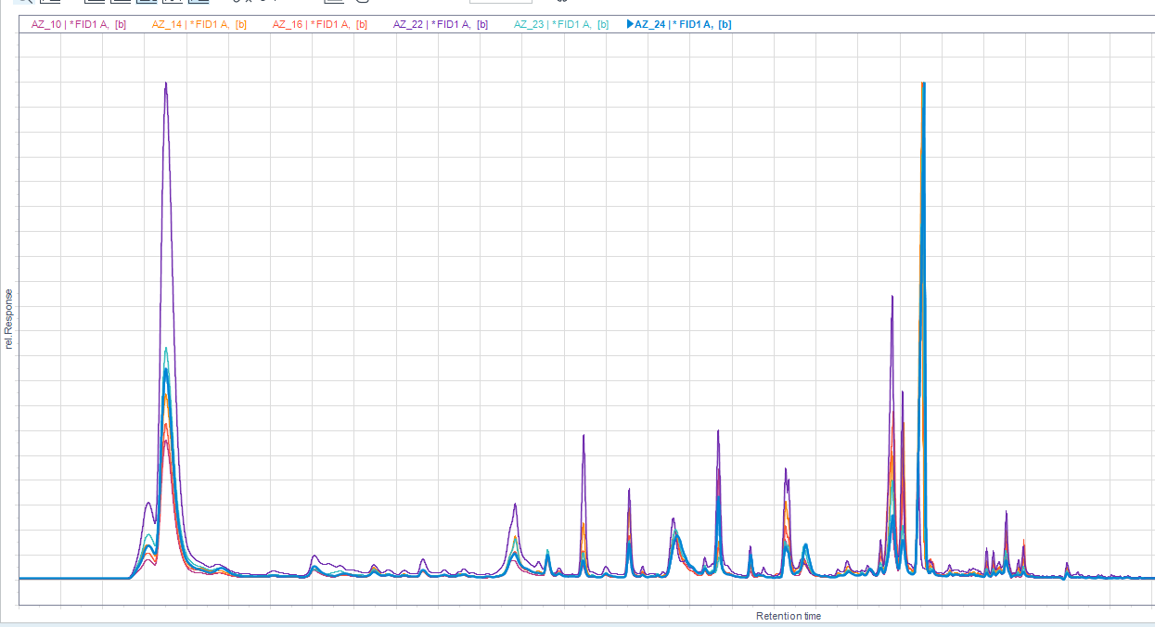
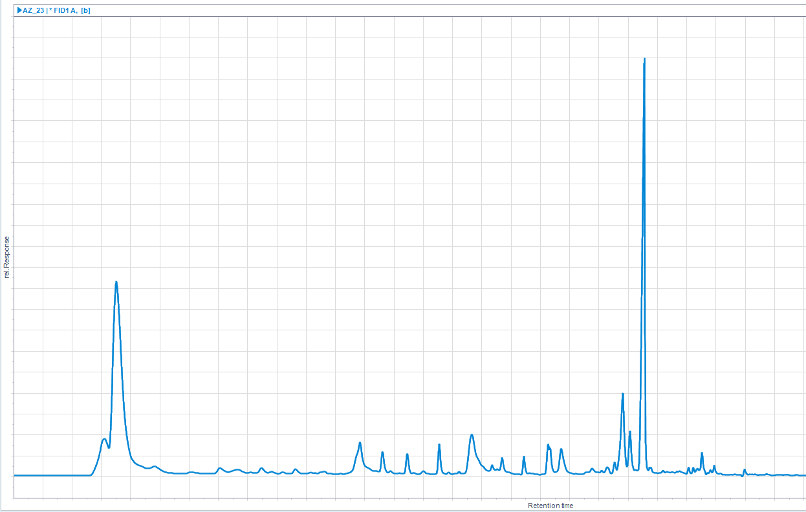
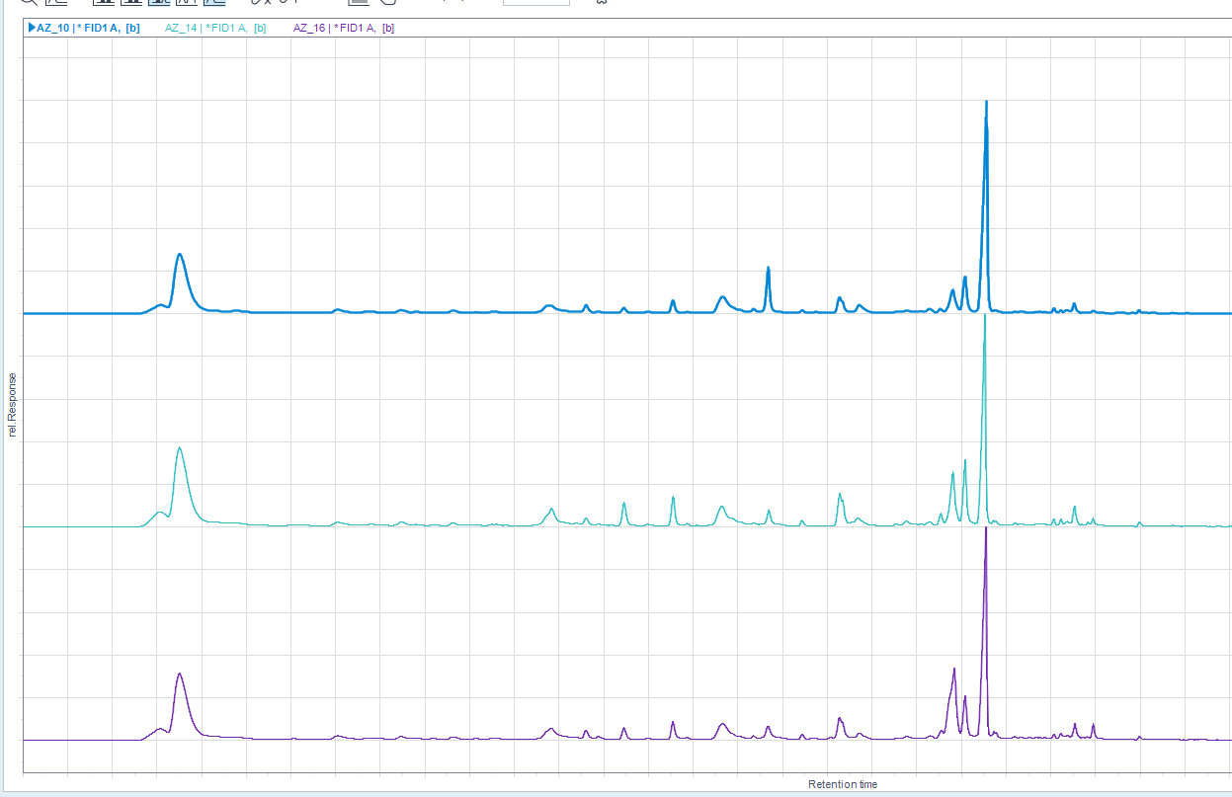
 |  |  |  |  |  |  |  |  |  |  |  |  |  |  |  |  |  |  |  |  |  |  |  |  |  |  |  |  |  |  |  |  |  |  |  |  |  | Rock 103
 |  |  |  |  |  |  |  |  |  |  |  |  |  |  |  |  |  |  |  |  |  |  | RGF105

centered_NB
Vial_ID | Patch No. | Plant No. | Plant_ID | Micro ID | Date of collection: DD/MM/YYYY | dry weight | dw/ww_dc | C01 | C02 | C03 | C04 | C05 | C06 | C07 | c08 | C09 | C10 | C11 | C12 | C13 | C14 | C15 | C17 | C20 | C21 | C22 | alpha-pinene | Camphene | C23 | C24 | C25 | beta-pinene | C26 | C28 | (+)-3-carene | p-cymene | 1,8-cineole | C29 | C30 | C31 | Terpinolene | C32 | C33 | C34 | C35 | C36 | Camphor | C37 | C38 | C39 | C42 | C43 | C44 | lavandol | C45
AZ27 | RGF 105 | NB | A | B5 | 26/09/2020 | 0.0652 | 0.55442176871 | 5.4986956402 | 4.196724488 | 3.3697364663 | 0.8847224086 | 4.1424556867 | 0.8847224086 | 3.7863234734 | 0.8847224086 | 0.8847224086 | 3.5496275132 | 0.8847224086 | 0.8847224086 | 3.6311370699 | 0.8847224086 | 3.3463919783 | 0.8847224086 | 4.5749828304 | 3.5449729912 | 3.9750968693 | 0.8847224086 | 4.4374139811 | 0.8847224086 | 3.449944298 | 0.8847224086 | 3.9868005746 | 0.8847224086 | 0.8847224086 | 4.7129092207 | 3.788487199 | 4.6983160722 | 0.8847224086 | 0.8847224086 | 3.9039849631 | 4.1073587749 | 3.3273777414 | 3.6663858897 | 0.8847224086 | 3.4156338175 | 3.2423905016 | 4.895371018 | 4.3530576259 | 5.0496249236 | 0.8847224086 | 3.5006051552 | 3.3885784351 | 3.9567508736 | 3.6612594302 | 3.4936889313
AZ07 | RGF 105 | NB | B | C5 | 26/09/2020 | 0.0706 | 0.51308139535 | 5.4304722522 | 3.9247945329 | 3.3545899473 | 0.85016530328 | 4.1819042891 | 0.85016530328 | 3.2877097651 | 0.85016530328 | 0.85016530328 | 3.6111995902 | 3.2613471275 | 0.85016530328 | 3.5870603603 | 0.85016530328 | 0.85016530328 | 3.1732027821 | 4.6046547618 | 3.3716276786 | 3.6255470767 | 0.85016530328 | 4.4819510967 | 4.0248791144 | 4.1870795076 | 0.85016530328 | 4.473074263 | 3.205432875 | 0.85016530328 | 3.3177763683 | 0.85016530328 | 4.1054778581 | 3.9831283899 | 4.6169614097 | 4.473998224 | 3.8482501912 | 3.2278321022 | 3.28618157 | 0.85016530328 | 3.4101700223 | 4.0108060774 | 4.7568402118 | 4.4416530855 | 4.3252623788 | 3.4421331937 | 3.3278652316 | 3.5403773367 | 3.8220179721 | 3.6672465316 | 3.3649148829
AZ21 | RGF 105 | NB | B | D5 | 26/09/2020 | 0.0538 | 0.50946969697 | 5.3723533835 | 3.3002260494 | 0.96818772867 | 0.96818772867 | 4.163267811 | 0.96818772867 | 0.96818772867 | 3.5902338058 | 0.96818772867 | 3.5771200547 | 0.96818772867 | 0.96818772867 | 3.5935598653 | 0.96818772867 | 3.3478448916 | 0.96818772867 | 4.6409125508 | 3.4758682287 | 3.6290569996 | 0.96818772867 | 4.3072187842 | 3.3345994782 | 3.6040392636 | 0.96818772867 | 4.3508044403 | 0.96818772867 | 0.96818772867 | 3.5606975766 | 0.96818772867 | 4.1660039997 | 3.7098970101 | 0.96818772867 | 4.2375058972 | 3.3668775506 | 0.96818772867 | 3.6387601078 | 0.96818772867 | 3.3752895739 | 4.080316622 | 5.0373873192 | 4.3482422342 | 4.5138515377 | 0.96818772867 | 3.501972493 | 3.4092918847 | 4.03055759 | 3.6310626153 | 3.5307969774
AZ26 | RGF 105 | NB | C | F5 | 26/09/2020 | 0.0704 | 0.64646464646 | 5.6791368515 | 4.1967502919 | 3.2414877584 | 0.85139734519 | 3.8704213642 | 0.85139734519 | 4.2044587575 | 0.85139734519 | 3.4607377192 | 3.7311479018 | 3.3807763615 | 0.85139734519 | 3.7507559591 | 0.85139734519 | 3.3665715174 | 3.275739861 | 4.6820651676 | 3.6940889432 | 3.9665323687 | 3.2791138484 | 4.6842073495 | 0.85139734519 | 3.3545258713 | 0.85139734519 | 4.3532264207 | 3.271732729 | 0.85139734519 | 4.7110414841 | 3.7391732578 | 4.5664393337 | 3.8107974788 | 0.85139734519 | 4.3524078322 | 4.1614654183 | 0.85139734519 | 3.4636873084 | 0.85139734519 | 3.4124939563 | 3.7034403848 | 4.9251671481 | 4.7471359382 | 5.1111813356 | 0.85139734519 | 3.4760362205 | 3.2422300456 | 3.8371425741 | 3.5381068843 | 3.4708016696
AZ28 | RGF 105 | NB | D | H5 | 26/09/2020 | 0.0637 | 0.56471631206 | 5.4806130565 | 4.0778799375 | 3.3241693489 | 0.894830572 | 3.831273937 | 0.894830572 | 0.894830572 | 3.8067090971 | 0.894830572 | 3.7924235781 | 3.2901080277 | 0.894830572 | 3.6367460461 | 0.894830572 | 0.894830572 | 3.2483159476 | 4.5412686091 | 3.5857227377 | 3.744103763 | 0.894830572 | 4.6115467425 | 0.894830572 | 3.3133241038 | 0.894830572 | 4.1558792153 | 0.894830572 | 0.894830572 | 3.7394468985 | 3.5062054552 | 4.6066479204 | 3.4361751337 | 0.894830572 | 4.0222677701 | 3.7913457666 | 0.894830572 | 3.680861831 | 0.894830572 | 3.4353027022 | 3.388400145 | 4.9550439984 | 4.561510634 | 4.9876860445 | 0.894830572 | 3.4804040906 | 3.498565876 | 3.9145291331 | 3.5502168298 | 3.4514948341
AZ08 | RGF 105 | NB | E | B6 | 26/09/2020 | 0.0887 | 0.54118364857 | 5.1675188989 | 3.5677555422 | 3.2799116859 | 0.7510463845 | 4.2100949196 | 0.7510463845 | 3.2043494322 | 0.7510463845 | 0.7510463845 | 3.6038190623 | 3.3224290819 | 3.1968155572 | 3.3033129663 | 0.7510463845 | 0.7510463845 | 0.7510463845 | 4.5918380225 | 0.7510463845 | 3.7002196778 | 0.7510463845 | 4.0291402713 | 3.0618840837 | 3.0878102181 | 0.7510463845 | 5.0630771312 | 3.1238479596 | 0.7510463845 | 3.6870219521 | 3.1809148913 | 4.3689749553 | 3.3074791541 | 3.1041967825 | 3.9637005382 | 3.8693759357 | 3.308255132 | 3.4765725319 | 0.7510463845 | 0.7510463845 | 4.5621650074 | 4.6186202821 | 4.3497484919 | 4.9135259549 | 3.2117668667 | 3.7622293001 | 3.5858103186 | 3.8203088519 | 3.6220667609 | 3.2954964399
AZ25 | RGF 105 | NB | F | D6 | 26/09/2020 | 0.0714 | 0.62358078603 | 5.6035031407 | 4.2133704114 | 3.2001789062 | 0.84527179256 | 4.1804182536 | 0.84527179256 | 4.0032166787 | 0.84527179256 | 3.360583868 | 3.8949207937 | 3.3739262951 | 0.84527179256 | 3.7969065119 | 0.84527179256 | 3.3103600568 | 3.2465964975 | 4.7449744616 | 0.84527179256 | 4.1944984065 | 3.2987277393 | 3.8530895299 | 0.84527179256 | 3.4615392994 | 0.84527179256 | 4.3221329718 | 3.1640277757 | 0.84527179256 | 4.5189630794 | 3.4401701726 | 4.0593751201 | 4.4105617512 | 0.84527179256 | 3.9843205203 | 4.2195771889 | 0.84527179256 | 3.5272019258 | 0.84527179256 | 3.6295923229 | 3.6158808258 | 4.5520127822 | 4.5871919875 | 5.4320213535 | 0.84527179256 | 3.3312514481 | 3.4662443861 | 3.8828783459 | 3.3311833587 | 3.3950056248
AZ18 | Rock 103 | NB | A | H1 | 26/09/2020 | 0.0763 | 0.72666666667 | 5.6855194616 | 3.7958308363 | 0.81644546638 | 4.1397206733 | 4.2031726664 | 0.81644546638 | 3.54544007 | 0.81644546638 | 0.81644546638 | 3.7435714058 | 3.401231105 | 3.2340466813 | 3.8521697045 | 0.81644546638 | 3.1839616554 | 3.3827839494 | 4.6117390336 | 0.81644546638 | 4.1399656941 | 3.2520318536 | 3.920584183 | 0.81644546638 | 3.3757367042 | 0.81644546638 | 4.3421698337 | 3.2569137362 | 0.81644546638 | 4.3555210631 | 3.719386682 | 4.7483012411 | 4.065264415 | 0.81644546638 | 4.3679469423 | 4.1598028478 | 0.81644546638 | 3.3803392913 | 3.2921979865 | 3.7333466395 | 3.66207798 | 4.4928237095 | 4.7044851545 | 5.4753833362 | 3.4084711385 | 3.296797407 | 3.3241718397 | 3.7225239508 | 3.3787145332 | 3.4351460841
AZ17 | Rock 103 | NB | B | B2 | 26/09/2020 | 0.0569 | 0.53227315248 | 5.2615366357 | 3.5474567445 | 3.3999473139 | 0.94385773794 | 3.7804881575 | 0.94385773794 | 3.4919644963 | 0.94385773794 | 3.3541523412 | 3.4121489314 | 0.94385773794 | 0.94385773794 | 0.94385773794 | 0.94385773794 | 0.94385773794 | 0.94385773794 | 4.4406238724 | 3.6385717162 | 3.3140783621 | 0.94385773794 | 4.7703490043 | 0.94385773794 | 0.94385773794 | 0.94385773794 | 4.9502796211 | 0.94385773794 | 0.94385773794 | 3.6435758213 | 3.7393832263 | 4.2594292726 | 3.3118767098 | 0.94385773794 | 3.8197358644 | 3.3551608659 | 0.94385773794 | 3.8991923301 | 0.94385773794 | 0.94385773794 | 4.6207875395 | 5.1106259784 | 4.2474041146 | 4.4678303951 | 0.94385773794 | 3.5982133533 | 3.5732204389 | 4.0540648313 | 3.6556261739 | 3.4841121121
AZ12 | Rock 103 | NB | C | D2 | 26/09/2020 | 0.0482 | 0.482 | 5.3616153499 | 3.6654389054 | 1.0159229661 | 1.0159229661 | 4.1693322996 | 1.0159229661 | 3.3694776151 | 1.0159229661 | 1.0159229661 | 3.7213641472 | 3.5785155688 | 3.6147572283 | 3.714067026 | 1.0159229661 | 1.0159229661 | 1.0159229661 | 4.592095404 | 1.0159229661 | 3.9891690795 | 1.0159229661 | 3.9782695682 | 1.0159229661 | 3.6808224339 | 1.0159229661 | 4.1992714028 | 1.0159229661 | 1.0159229661 | 3.5185740041 | 3.4742464988 | 4.6749140942 | 3.388695089 | 1.0159229661 | 4.032719049 | 4.3234866032 | 1.0159229661 | 3.6007470159 | 1.0159229661 | 3.5218268763 | 4.1261536459 | 4.8146672268 | 4.4618918858 | 5.3422474369 | 1.0159229661 | 3.7704685246 | 4.0312751758 | 4.1505596341 | 3.8161064691 | 3.5506063656
AZ20 | Rock 103 | NB | D | F2 | 26/09/2020 | 0.0714 | 0.65927977839 | 4.9519515995 | 3.1942305261 | 3.3401412702 | 0.84527179256 | 0.84527179256 | 3.719095582 | 3.7651737393 | 0.84527179256 | 0.84527179256 | 0.84527179256 | 0.84527179256 | 0.84527179256 | 0.84527179256 | 0.84527179256 | 0.84527179256 | 0.84527179256 | 4.1388504462 | 3.7886426307 | 0.84527179256 | 3.9447866935 | 5.0741600734 | 3.9726014583 | 3.5255801051 | 3.2901905463 | 5.3190420784 | 0.84527179256 | 0.84527179256 | 3.6927445031 | 4.1605471306 | 5.4175582592 | 3.8402528597 | 3.88712853 | 3.4802727217 | 3.7334917363 | 0.84527179256 | 3.3342115078 | 0.84527179256 | 0.84527179256 | 0.84527179256 | 0.84527179256 | 0.84527179256 | 4.8981333421 | 0.84527179256 | 3.3124683442 | 3.5647273827 | 3.6893722922 | 3.3245936784 | 3.3590246038
AZ09 | Rock 103 | NB | E | H2 | 26/09/2020 | 0.0568 | 0.52641334569 | 5.425931896 | 3.5254668453 | 3.3516350573 | 0.94462166863 | 4.2251358461 | 0.94462166863 | 0.94462166863 | 0.94462166863 | 0.94462166863 | 3.624891897 | 3.2736980307 | 0.94462166863 | 3.6785985187 | 0.94462166863 | 0.94462166863 | 0.94462166863 | 4.6109679566 | 3.4255020738 | 3.6662427022 | 0.94462166863 | 4.2851260649 | 0.94462166863 | 3.4381940293 | 0.94462166863 | 4.4265805569 | 0.94462166863 | 0.94462166863 | 3.3054649095 | 3.2965493259 | 4.4735018764 | 3.4617647616 | 3.5248576102 | 4.2231891688 | 3.9379441299 | 0.94462166863 | 3.8027905824 | 0.94462166863 | 3.4375719327 | 4.0459053396 | 4.8548077165 | 4.619566722 | 4.4819051814 | 0.94462166863 | 3.6960101025 | 3.4966397814 | 4.1222406911 | 3.7099742579 | 3.5402413272
AZ13 | Rock 103 | NB | F | B3 | 26/09/2020 | 0.0654 | 0.53562653563 | 5.6078032931 | 4.1575616555 | 3.347422526 | 0.88339225601 | 4.0795994017 | 0.88339225601 | 0.88339225601 | 3.695232583 | 0.88339225601 | 3.6881925129 | 3.3507161646 | 3.1958785035 | 3.6813518997 | 0.88339225601 | 3.364705867 | 3.3003022418 | 4.6594617287 | 0.88339225601 | 4.0784956178 | 3.3209367178 | 3.8895218572 | 0.88339225601 | 3.4985276362 | 0.88339225601 | 4.2846273198 | 3.188541481 | 3.2614884083 | 3.5617321461 | 3.4752756823 | 4.5347007083 | 3.9979191751 | 3.4110840104 | 4.1518475973 | 4.2665017688 | 0.88339225601 | 3.493641348 | 0.88339225601 | 3.6879501002 | 3.8048071475 | 4.5346904332 | 4.4298241109 | 5.4728441544 | 0.88339225601 | 3.386310752 | 3.4235815324 | 3.9245645795 | 3.4833626147 | 3.4597428219

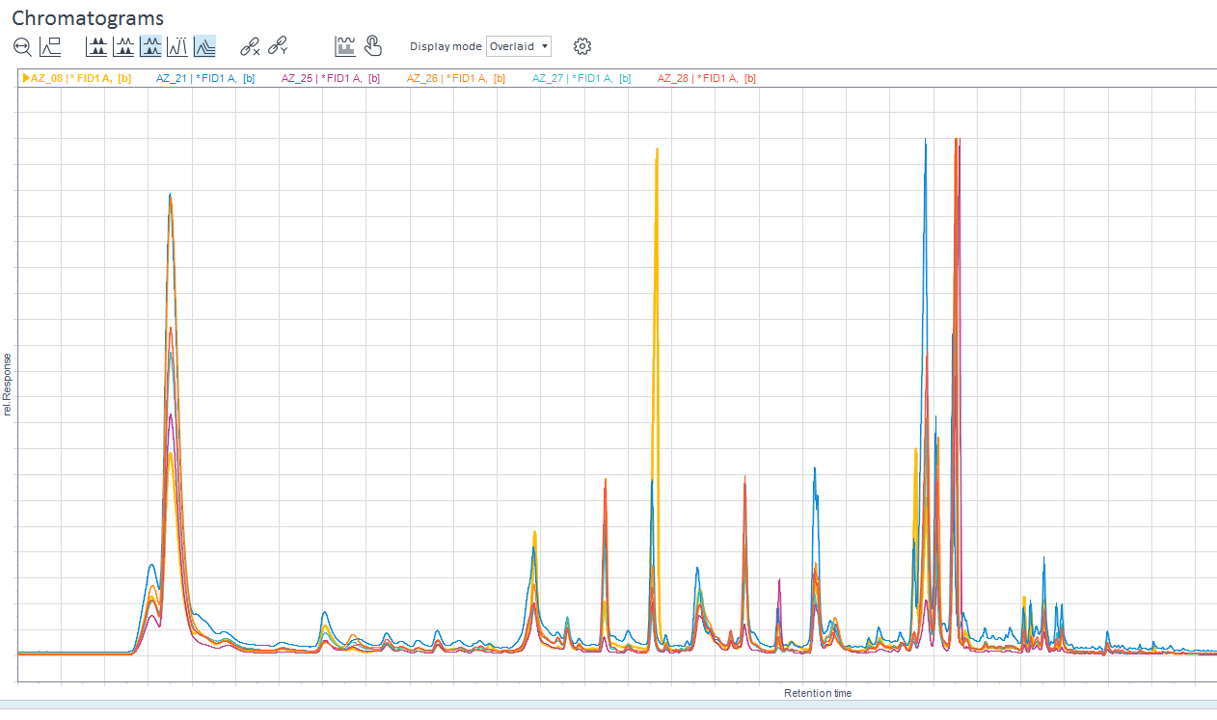
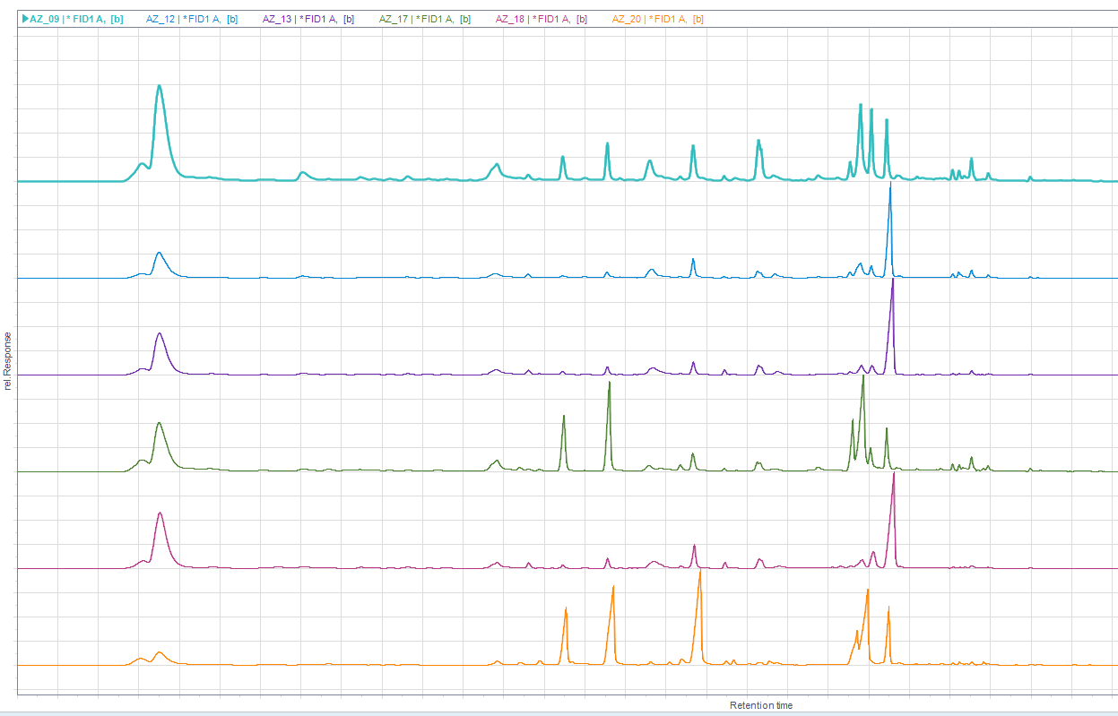

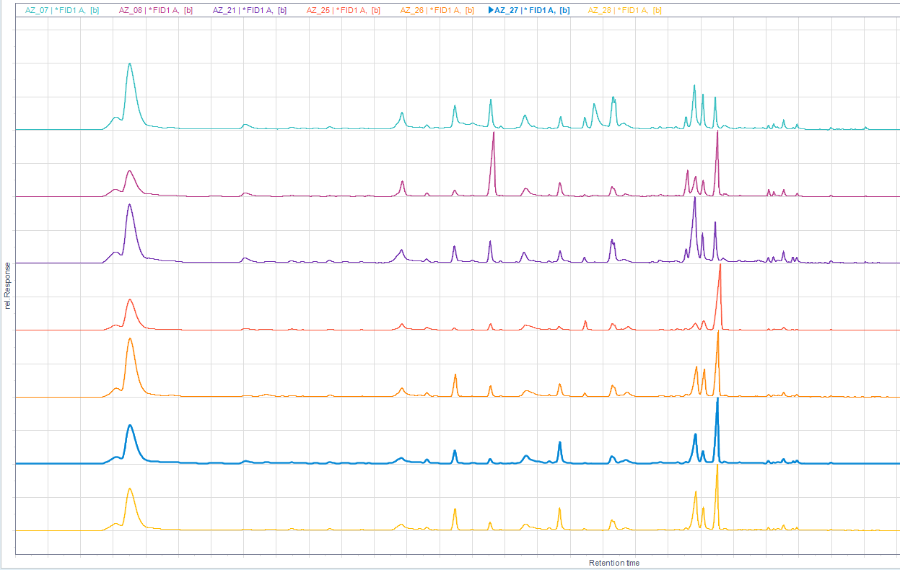
 |  |  |  |  |  |  |  |  |  |  |  |  |  |  |  |  |  |  |  |  | RGF105 |  |  |  |  |  |  |  |  |  |  |  |  |  |  |  |  |  |  |  |  |  | ROCK103

Sheet10
